Sheet1
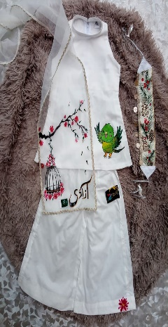
 | RANGISTA SIZE CHART
 | AGE | 7 YEAR | 8 YEAR | 9 YEAR | 10 YEAR | 11 YEAR | 12 YEAR
 | SHIRT LENGTH | 25 | 26 | 27 | 29 | 30 | 31
 | CHEST | 14 | 14.5 | 15 | 16 | 16.5 | 17
 | PLAZZO LENGTH | 29 | 30 | 31 | 34 | 35 | 36
 | WAIST | 10.5 | 11 | 11.5 | 12 | 12.5 | 13

 | DUPATTA LENGTH | 64 | 64 | 64 | 72 | 72 | 72
 | DUPATTA WIDTH | 12 | 12 | 12 | 14 | 14 | 14
ALL THE MEASUREMENTS ARE IN INCHES

